Sheet1
 |  | Document No. | Issue No. | Issue Date |  | Review and Replace Date |  | Authorised By
 |  | GFF533MC | 2 | 28.08.2025 |  | 04.06.2026
 |  | Document Title | GAZEBO DELI - 10 Lamb Samosa (seeded) 100G |1000G
 |  | Film Updated |  |  | Page |  | 1 of 1 | Magda Shah
Document amendments reason for change |  |  |  |  | Previous Issue Date |  | 28.08.2025 | Uncontrolled copy unless signed original

CLSAL1-B10T | GAZEBO DELI - BOOTHS |  | 10 Lamb Samosa (seeded) |1000G
STEP 1 |  |  |  | STEP 2
 |  |  |  | 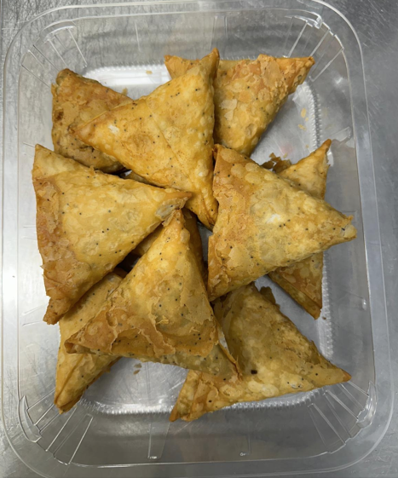

Colour coded tags- PURPLE & YELLOW should be on the Lamb Samosa 100g (Seeded Pastry)
Tray: HW308/60 open ECO tray- (PKESS001-12) Film: 25mu Weld Seal Mono PET Film (300mm x 1000lm) (PKCLI001-01) |  |  |  |  | 10 Lamb Samosa (seeded) 100G-GFF531R
 |  |  |  |  | 1000g
ALLERGY ALERT: SOYA, WHEAT

